Sheet1
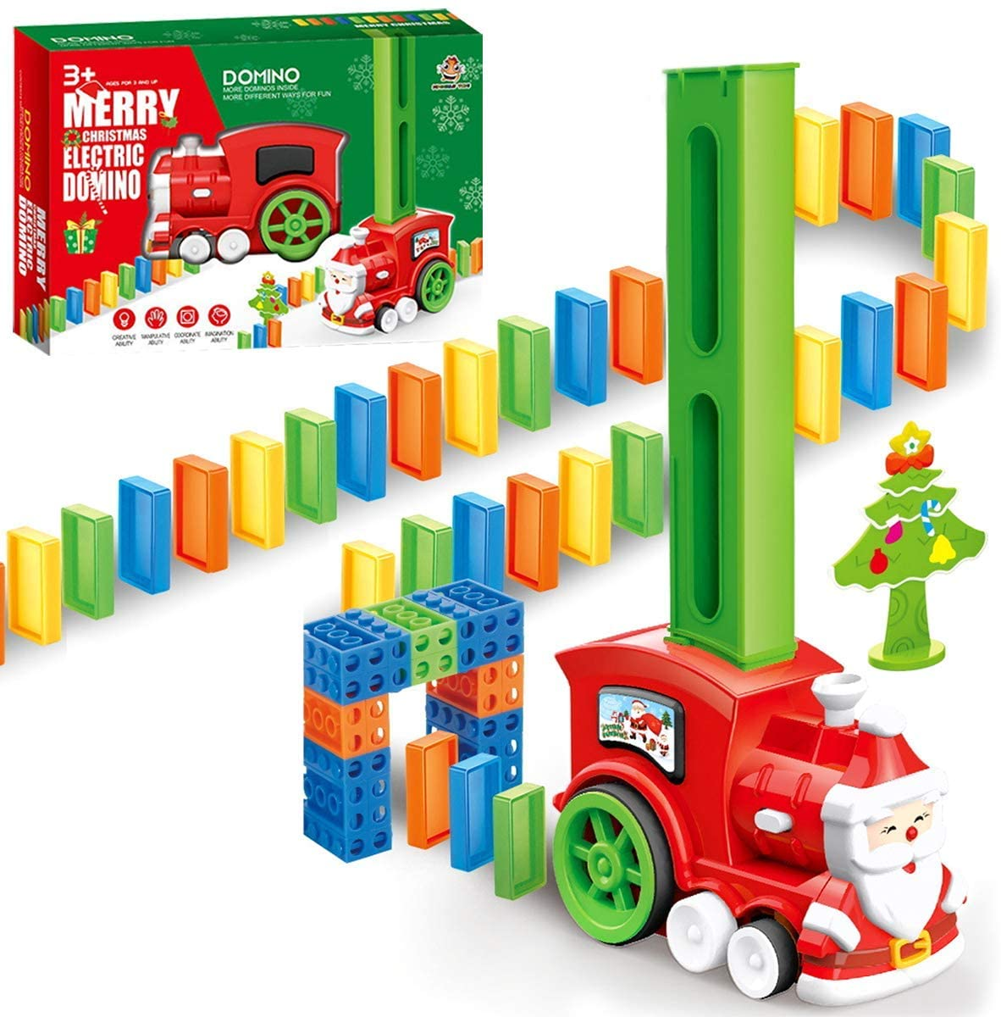

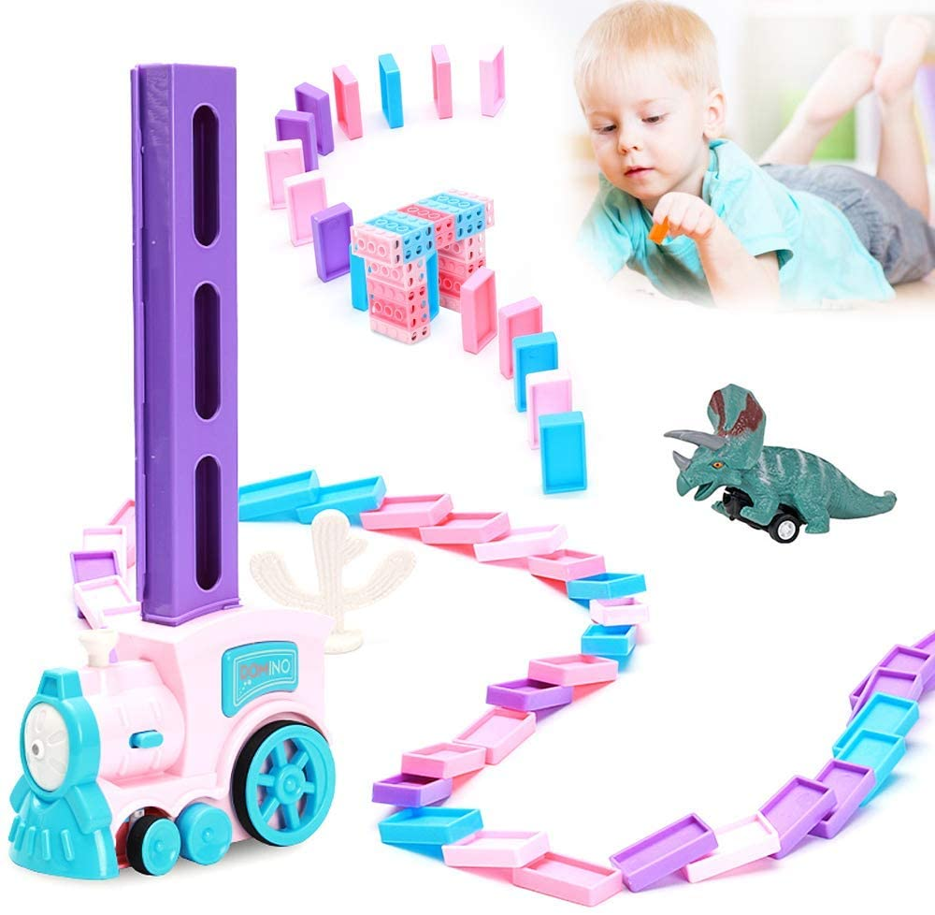


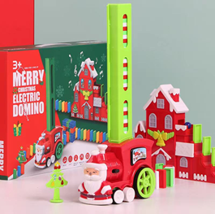
QTY | LINK | AMAZON PRICE | EXT PRICE
3613 | https://www.amazon.com/POPUTOY-Construction-Children-Creative-Educational/dp/B08QSD4T8N/ref=zg_bs_166248011_53?_encoding=UTF8&psc=1&refRID=SQXFVSDZ3VKS1583PEMD | $18.99 | $68,610.87
1439 | https://www.amazon.com/dp/B089FD3JYH?ref=myi_title_dp | $19.99 | $28,765.61
3368 | https://www.amazon.com/Domino-Electric-Building-Stacking-Christmas/dp/B08H148L7K/ref=sr_1_10?dchild=1&keywords=Domino+Train+Christmas&qid=1621482727&sr=8-10 | $21.99 | $74,062.32
8420 |  |  | $171,438.80

